Sheet1
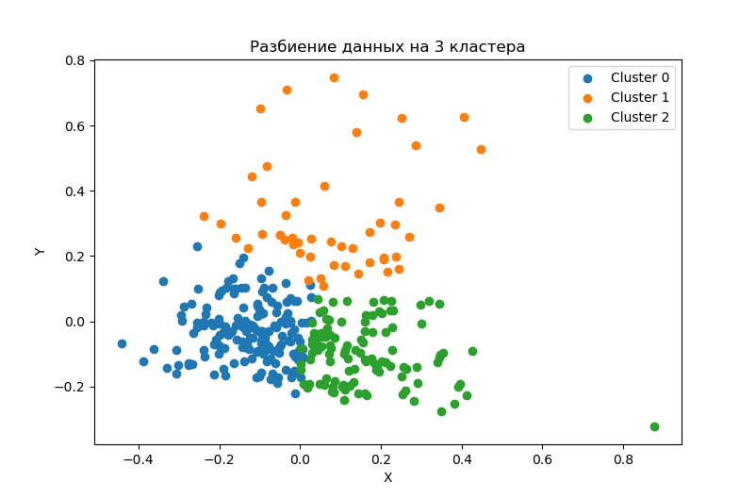
clust | VDS_r | ITusage_r | AIusage_r | BDusage_r
0 | 249485.10 | 1375.40 | 5.93% | 14.34%
0 | 894831.13 | 2664.81 | 5.41% | 16.07%
1 | 1407864.71 | 5056.44 | 6.52% | 24.51%
1 | 2432586.22 | 7417.00 | 6.49% | 25.43%
2 | 204152.05 | 1201.20 | 8.58% | 35.22%
2 | 1017352.56 | 2650.22 | 7.98% | 35.46%

clust | VDS_r | ITusage_r | AIusage_r | BDusage_r
0 (lower)
0 (upper) | 3.59 | 1.94 | 0.91 | 1.12
1 (lower)
1 (upper) | 1.73 | 1.47 | 1.00 | 1.04
2 (lower)
2 (upper) | 4.98 | 2.21 | 0.93 | 1.01

clust | VDS_r | ITusage_r | AIusage_r | BDusage_r
0 | 432765.49 | 1960.00 | 5.70% | 14.94%
1 | 1592537.93 | 5355.00 | 6.63% | 23.37%
2 | 405620.72 | 1812.50 | 8.15% | 34.69%

